sekarang buatkan tabel dari det
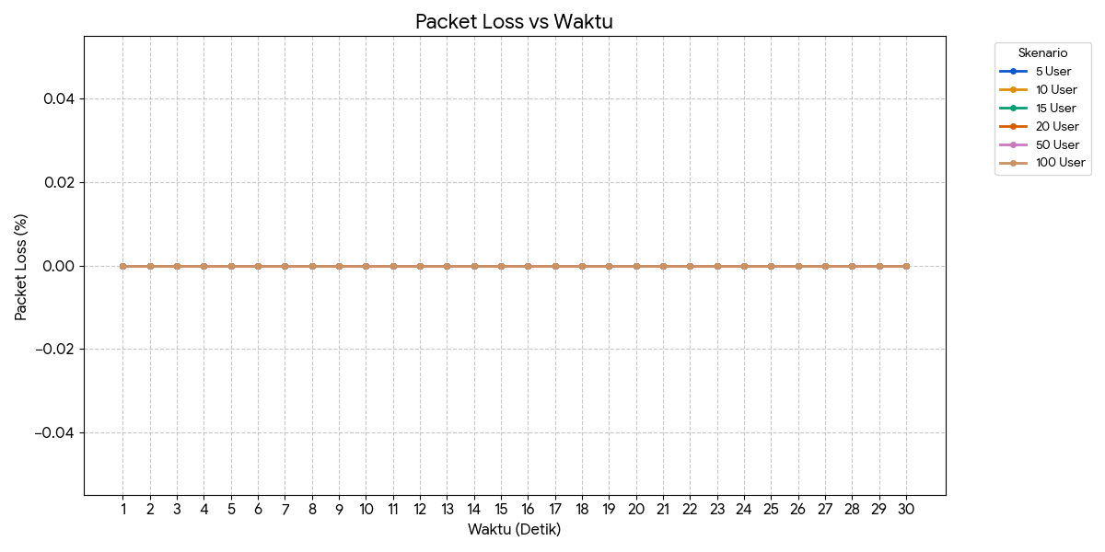
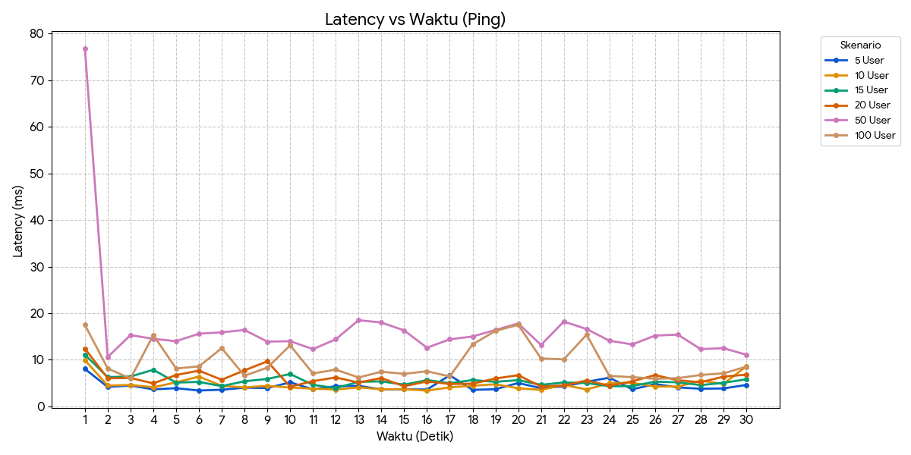
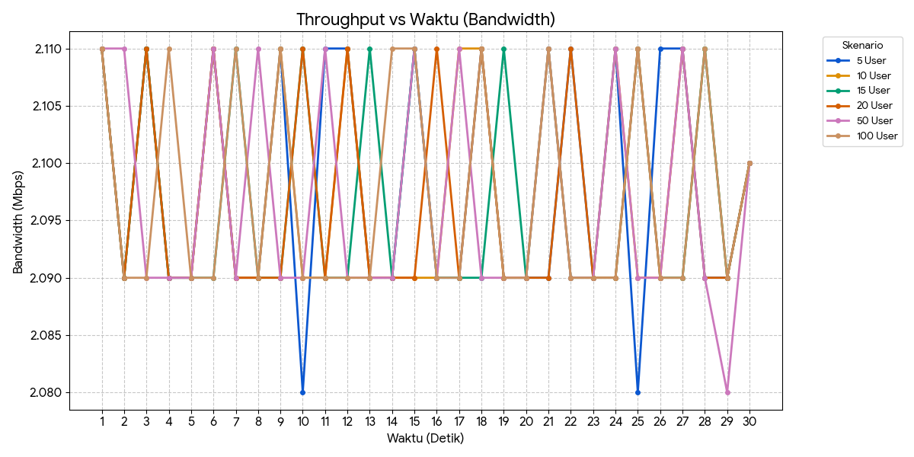
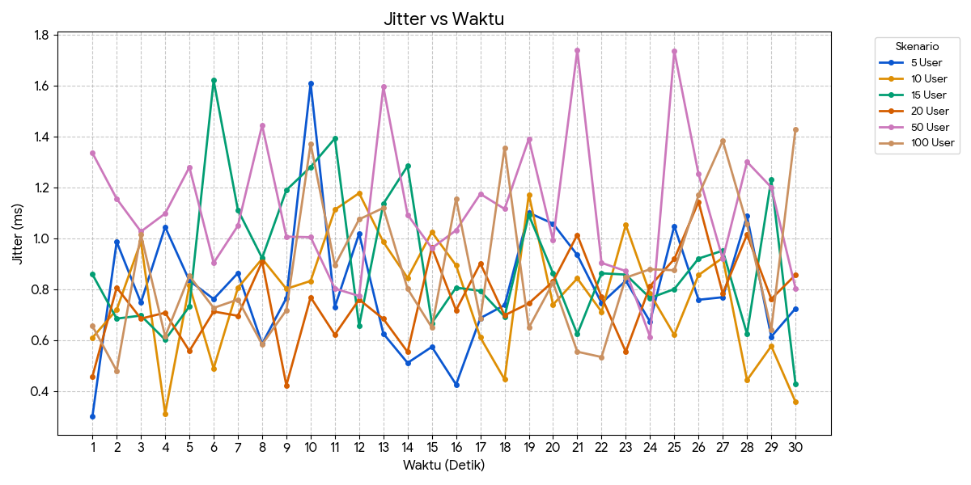
Latensi |  |  |  |  |  |  | Bw |  |  |  |  |  |  | Jitter |  |  |  |  |  |  | Packet loss
Detik | 5 User | 10 User | 15 User | 20 User | 50 User | 100 User | Detik | 5 User | 10 User | 15 User | 20 User | 50 User | 100 User | Detik | 5 User | 10 User | 15 User | 20 User | 50 User | 100 User | Detik | 5 User | 10 User | 15 User | 20 User | 50 User | 100 User
1 | 8.05 ms | 9.93 ms | 11.10 ms | 12.40 ms | 76.80 ms | 17.50 ms | 1 | 2.11 Mbps | 2.11 Mbps | 2.11 Mbps | 2.11 Mbps | 2.11 Mbps | 2.11 Mbps | 1 | 0.302 ms | 0.611 ms | 0.860 ms | 0.459 ms | 1.337 ms | 0.657 ms | 1 | 0.00% | 0.00% | 0.00% | 0.00% | 0.00% | 0.00%
2 | 4.19 ms | 4.48 ms | 6.30 ms | 6.05 ms | 10.60 ms | 8.15 ms | 2 | 2.09 Mbps | 2.09 Mbps | 2.09 Mbps | 2.09 Mbps | 2.11 Mbps | 2.09 Mbps | 2 | 0.988 ms | 0.721 ms | 0.686 ms | 0.808 ms | 1.157 ms | 0.481 ms | 2 | 0.00% | 0.00% | 0.00% | 0.00% | 0.00% | 0.00%
3 | 4.49 ms | 4.62 ms | 6.42 ms | 6.10 ms | 15.30 ms | 5.98 ms | 3 | 2.11 Mbps | 2.11 Mbps | 2.11 Mbps | 2.11 Mbps | 2.09 Mbps | 2.09 Mbps | 3 | 0.749 ms | 0.989 ms | 0.698 ms | 0.686 ms | 1.028 ms | 1.016 ms | 3 | 0.00% | 0.00% | 0.00% | 0.00% | 0.00% | 0.00%
4 | 3.67 ms | 4.12 ms | 7.87 ms | 4.96 ms | 14.50 ms | 15.30 ms | 4 | 2.09 Mbps | 2.09 Mbps | 2.09 Mbps | 2.09 Mbps | 2.09 Mbps | 2.11 Mbps | 4 | 1.046 ms | 0.313 ms | 0.603 ms | 0.709 ms | 1.099 ms | 0.616 ms | 4 | 0.00% | 0.00% | 0.00% | 0.00% | 0.00% | 0.00%
5 | 3.92 ms | 5.17 ms | 5.12 ms | 6.74 ms | 14.00 ms | 8.14 ms | 5 | 2.09 Mbps | 2.09 Mbps | 2.09 Mbps | 2.09 Mbps | 2.09 Mbps | 2.09 Mbps | 5 | 0.835 ms | 0.816 ms | 0.734 ms | 0.559 ms | 1.281 ms | 0.854 ms | 5 | 0.00% | 0.00% | 0.00% | 0.00% | 0.00% | 0.00%
6 | 3.42 ms | 6.41 ms | 5.27 ms | 7.68 ms | 15.60 ms | 8.60 ms | 6 | 2.11 Mbps | 2.11 Mbps | 2.09 Mbps | 2.11 Mbps | 2.11 Mbps | 2.09 Mbps | 6 | 0.763 ms | 0.490 ms | 1.622 ms | 0.714 ms | 0.905 ms | 0.728 ms | 6 | 0.00% | 0.00% | 0.00% | 0.00% | 0.00% | 0.00%
7 | 3.59 ms | 4.42 ms | 4.36 ms | 5.73 ms | 15.90 ms | 12.50 ms | 7 | 2.09 Mbps | 2.09 Mbps | 2.11 Mbps | 2.09 Mbps | 2.09 Mbps | 2.11 Mbps | 7 | 0.865 ms | 0.807 ms | 1.113 ms | 0.697 ms | 1.051 ms | 0.761 ms | 7 | 0.00% | 0.00% | 0.00% | 0.00% | 0.00% | 0.00%
8 | 4.02 ms | 4.08 ms | 5.40 ms | 7.75 ms | 16.40 ms | 6.59 ms | 8 | 2.09 Mbps | 2.09 Mbps | 2.09 Mbps | 2.09 Mbps | 2.11 Mbps | 2.09 Mbps | 8 | 0.587 ms | 0.921 ms | 0.924 ms | 0.910 ms | 1.446 ms | 0.585 ms | 8 | 0.00% | 0.00% | 0.00% | 0.00% | 0.00% | 0.00%
9 | 3.95 ms | 4.43 ms | 5.90 ms | 9.68 ms | 13.90 ms | 8.33 ms | 9 | 2.11 Mbps | 2.11 Mbps | 2.09 Mbps | 2.09 Mbps | 2.09 Mbps | 2.11 Mbps | 9 | 0.767 ms | 0.803 ms | 1.191 ms | 0.424 ms | 1.008 ms | 0.719 ms | 9 | 0.00% | 0.00% | 0.00% | 0.00% | 0.00% | 0.00%
10 | 5.17 ms | 4.05 ms | 6.96 ms | 4.22 ms | 14.00 ms | 13.10 ms | 10 | 2.08 Mbps | 2.09 Mbps | 2.11 Mbps | 2.11 Mbps | 2.09 Mbps | 2.09 Mbps | 10 | 1.611 ms | 0.834 ms | 1.282 ms | 0.770 ms | 1.006 ms | 1.373 ms | 10 | 0.00% | 0.00% | 0.00% | 0.00% | 0.00% | 0.00%
11 | 3.68 ms | 3.82 ms | 4.64 ms | 5.44 ms | 12.30 ms | 7.09 ms | 11 | 2.11 Mbps | 2.09 Mbps | 2.09 Mbps | 2.09 Mbps | 2.11 Mbps | 2.09 Mbps | 11 | 0.732 ms | 1.114 ms | 1.394 ms | 0.623 ms | 0.804 ms | 0.895 ms | 11 | 0.00% | 0.00% | 0.00% | 0.00% | 0.00% | 0.00%
12 | 4.35 ms | 3.63 ms | 3.93 ms | 6.22 ms | 14.40 ms | 7.89 ms | 12 | 2.11 Mbps | 2.11 Mbps | 2.09 Mbps | 2.11 Mbps | 2.09 Mbps | 2.09 Mbps | 12 | 1.020 ms | 1.179 ms | 0.658 ms | 0.761 ms | 0.775 ms | 1.076 ms | 12 | 0.00% | 0.00% | 0.00% | 0.00% | 0.00% | 0.00%
13 | 4.42 ms | 4.09 ms | 5.29 ms | 5.13 ms | 18.50 ms | 6.22 ms | 13 | 2.09 Mbps | 2.09 Mbps | 2.11 Mbps | 2.09 Mbps | 2.09 Mbps | 2.09 Mbps | 13 | 0.627 ms | 0.987 ms | 1.137 ms | 0.685 ms | 1.597 ms | 1.121 ms | 13 | 0.00% | 0.00% | 0.00% | 0.00% | 0.00% | 0.00%
14 | 3.66 ms | 3.69 ms | 5.38 ms | 6.09 ms | 18.00 ms | 7.45 ms | 14 | 2.09 Mbps | 2.09 Mbps | 2.09 Mbps | 2.09 Mbps | 2.09 Mbps | 2.11 Mbps | 14 | 0.512 ms | 0.846 ms | 1.286 ms | 0.555 ms | 1.094 ms | 0.803 ms | 14 | 0.00% | 0.00% | 0.00% | 0.00% | 0.00% | 0.00%
15 | 3.70 ms | 3.71 ms | 4.67 ms | 4.33 ms | 16.30 ms | 6.99 ms | 15 | 2.11 Mbps | 2.09 Mbps | 2.11 Mbps | 2.09 Mbps | 2.11 Mbps | 2.11 Mbps | 15 | 0.575 ms | 1.026 ms | 0.669 ms | 0.966 ms | 0.963 ms | 0.651 ms | 15 | 0.00% | 0.00% | 0.00% | 0.00% | 0.00% | 0.00%
16 | 3.62 ms | 3.39 ms | 5.66 ms | 5.37 ms | 12.60 ms | 7.55 ms | 16 | 2.09 Mbps | 2.09 Mbps | 2.09 Mbps | 2.11 Mbps | 2.09 Mbps | 2.09 Mbps | 16 | 0.427 ms | 0.895 ms | 0.808 ms | 0.719 ms | 1.033 ms | 1.157 ms | 16 | 0.00% | 0.00% | 0.00% | 0.00% | 0.00% | 0.00%
17 | 6.68 ms | 4.11 ms | 4.99 ms | 4.82 ms | 14.40 ms | 6.43 ms | 17 | 2.09 Mbps | 2.11 Mbps | 2.09 Mbps | 2.09 Mbps | 2.11 Mbps | 2.09 Mbps | 17 | 0.688 ms | 0.612 ms | 0.795 ms | 0.903 ms | 1.176 ms | 0.685 ms | 17 | 0.00% | 0.00% | 0.00% | 0.00% | 0.00% | 0.00%
18 | 3.56 ms | 4.45 ms | 5.66 ms | 4.89 ms | 15.00 ms | 13.30 ms | 18 | 2.11 Mbps | 2.11 Mbps | 2.09 Mbps | 2.11 Mbps | 2.09 Mbps | 2.11 Mbps | 18 | 0.739 ms | 0.447 ms | 0.694 ms | 0.699 ms | 1.117 ms | 1.357 ms | 18 | 0.00% | 0.00% | 0.00% | 0.00% | 0.00% | 0.00%
19 | 3.70 ms | 4.76 ms | 5.29 ms | 6.00 ms | 16.40 ms | 16.20 ms | 19 | 2.09 Mbps | 2.09 Mbps | 2.11 Mbps | 2.09 Mbps | 2.09 Mbps | 2.09 Mbps | 19 | 1.102 ms | 1.174 ms | 1.093 ms | 0.746 ms | 1.392 ms | 0.650 ms | 19 | 0.00% | 0.00% | 0.00% | 0.00% | 0.00% | 0.00%
20 | 5.03 ms | 3.90 ms | 5.64 ms | 6.70 ms | 17.80 ms | 17.50 ms | 20 | 2.09 Mbps | 2.09 Mbps | 2.09 Mbps | 2.09 Mbps | 2.09 Mbps | 2.09 Mbps | 20 | 1.059 ms | 0.741 ms | 0.864 ms | 0.832 ms | 0.994 ms | 0.827 ms | 20 | 0.00% | 0.00% | 0.00% | 0.00% | 0.00% | 0.00%
21 | 3.93 ms | 3.57 ms | 4.64 ms | 4.29 ms | 13.20 ms | 10.30 ms | 21 | 2.09 Mbps | 2.11 Mbps | 2.11 Mbps | 2.09 Mbps | 2.11 Mbps | 2.11 Mbps | 21 | 0.936 ms | 0.844 ms | 0.625 ms | 1.015 ms | 1.741 ms | 0.556 ms | 21 | 0.00% | 0.00% | 0.00% | 0.00% | 0.00% | 0.00%
22 | 4.31 ms | 4.61 ms | 5.14 ms | 4.50 ms | 18.20 ms | 10.10 ms | 22 | 2.11 Mbps | 2.09 Mbps | 2.09 Mbps | 2.11 Mbps | 2.09 Mbps | 2.09 Mbps | 22 | 0.747 ms | 0.713 ms | 0.864 ms | 0.771 ms | 0.905 ms | 0.535 ms | 22 | 0.00% | 0.00% | 0.00% | 0.00% | 0.00% | 0.00%
23 | 5.29 ms | 3.65 ms | 5.03 ms | 5.57 ms | 16.60 ms | 15.40 ms | 23 | 2.09 Mbps | 2.09 Mbps | 2.09 Mbps | 2.09 Mbps | 2.09 Mbps | 2.09 Mbps | 23 | 0.835 ms | 1.054 ms | 0.859 ms | 0.556 ms | 0.873 ms | 0.847 ms | 23 | 0.00% | 0.00% | 0.00% | 0.00% | 0.00% | 0.00%
24 | 6.17 ms | 4.98 ms | 4.34 ms | 4.43 ms | 14.10 ms | 6.54 ms | 24 | 2.11 Mbps | 2.11 Mbps | 2.09 Mbps | 2.09 Mbps | 2.11 Mbps | 2.09 Mbps | 24 | 0.674 ms | 0.784 ms | 0.767 ms | 0.814 ms | 0.615 ms | 0.880 ms | 24 | 0.00% | 0.00% | 0.00% | 0.00% | 0.00% | 0.00%
25 | 3.68 ms | 5.07 ms | 4.36 ms | 5.39 ms | 13.30 ms | 6.29 ms | 25 | 2.08 Mbps | 2.09 Mbps | 2.11 Mbps | 2.11 Mbps | 2.09 Mbps | 2.11 Mbps | 25 | 1.050 ms | 0.622 ms | 0.802 ms | 0.920 ms | 1.738 ms | 0.876 ms | 25 | 0.00% | 0.00% | 0.00% | 0.00% | 0.00% | 0.00%
26 | 4.81 ms | 4.29 ms | 5.32 ms | 6.73 ms | 15.20 ms | 5.94 ms | 26 | 2.11 Mbps | 2.09 Mbps | 2.09 Mbps | 2.09 Mbps | 2.09 Mbps | 2.09 Mbps | 26 | 0.760 ms | 0.857 ms | 0.922 ms | 1.145 ms | 1.254 ms | 1.171 ms | 26 | 0.00% | 0.00% | 0.00% | 0.00% | 0.00% | 0.00%
27 | 4.08 ms | 4.25 ms | 5.18 ms | 5.62 ms | 15.40 ms | 6.08 ms | 27 | 2.11 Mbps | 2.09 Mbps | 2.09 Mbps | 2.11 Mbps | 2.11 Mbps | 2.09 Mbps | 27 | 0.770 ms | 0.925 ms | 0.953 ms | 0.785 ms | 0.920 ms | 1.385 ms | 27 | 0.00% | 0.00% | 0.00% | 0.00% | 0.00% | 0.00%
28 | 3.80 ms | 5.53 ms | 4.58 ms | 5.19 ms | 12.30 ms | 6.75 ms | 28 | 2.09 Mbps | 2.11 Mbps | 2.11 Mbps | 2.09 Mbps | 2.09 Mbps | 2.11 Mbps | 28 | 1.089 ms | 0.444 ms | 0.626 ms | 1.016 ms | 1.302 ms | 1.057 ms | 28 | 0.00% | 0.00% | 0.00% | 0.00% | 0.00% | 0.00%
29 | 3.86 ms | 4.83 ms | 5.07 ms | 6.39 ms | 12.50 ms | 7.10 ms | 29 | 2.09 Mbps | 2.09 Mbps | 2.09 Mbps | 2.09 Mbps | 2.08 Mbps | 2.09 Mbps | 29 | 0.615 ms | 0.578 ms | 1.233 ms | 0.763 ms | 1.202 ms | 0.643 ms | 29 | 0.00% | 0.00% | 0.00% | 0.00% | 0.00% | 0.00%
30 | 4.62 ms | 8.60 ms | 5.82 ms | 6.82 ms | 11.10 ms | 8.53 ms | 30 | 2.10 Mbps | 2.10 Mbps | 2.10 Mbps | 2.10 Mbps | 2.10 Mbps | 2.10 Mbps | 30 | 0.726 ms | 0.359 ms | 0.430 ms | 0.858 ms | 0.805 ms | 1.431 ms | 30 | 0.00% | 0.00% | 0.00% | 0.00% | 0.00% | 0.00%

